Sheet1
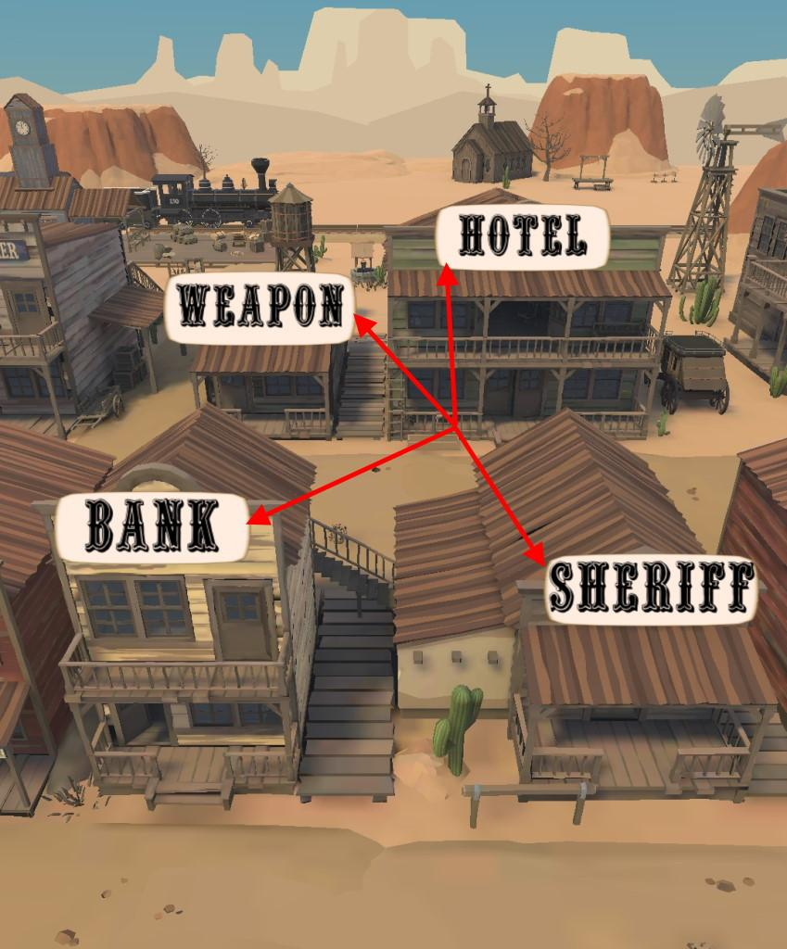
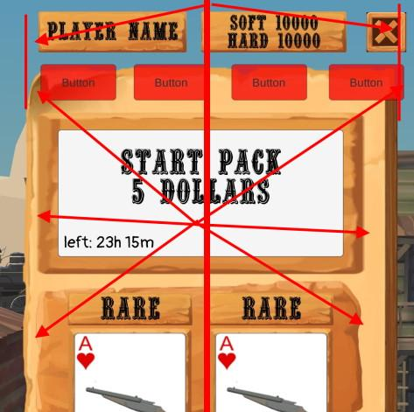
ID | Summary | Severity | Description | Attachment | Trivial | Minor | Major | Critical
1 | The names of the buildings have different padding | Trivial | STR: 1. Run the game Result: The names of the buildings have different padding Expected result: The names of the buildings have equal padding
2 | Buttons and panels in the "Bank" screen are not aligned to the center of the screen | Trivial | STR: 1. Run the game 2. Press the "Bank" button Result: Buttons and panels in the "Bank" screen are not aligned to the center of the screen Expected result: Buttons and panels aligned to the center of the screen
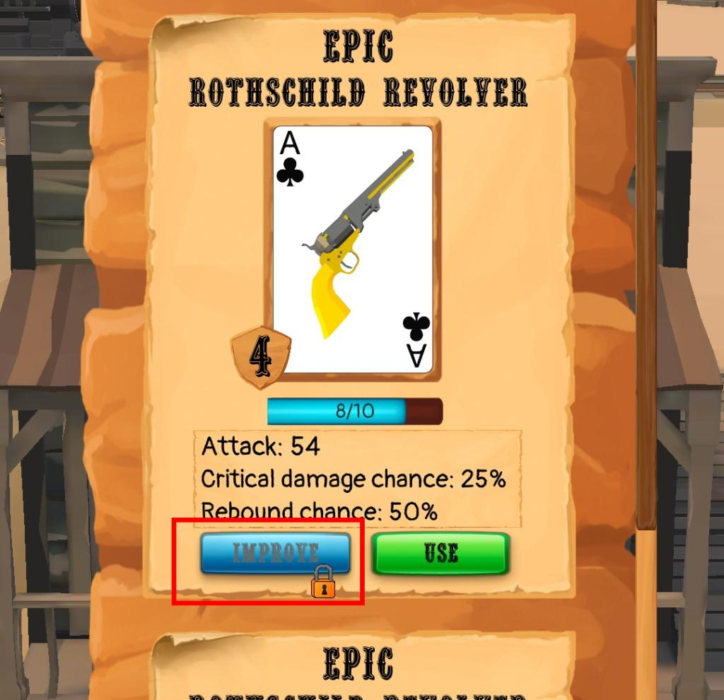
3 | The last poster in the "Sheriff" screen is not available | Minor | STR: 1. Run the game 2. Press the "Sheriff" button Result: The last poster in the "Sheriff" screen on The Best Bounty Hunters panel is not available Expected result: All posters readable and available to choose from | 2_XRecorder_28112022_221946.mp4
4 | Font of the button "Improve" poorly readable | Trivial | STR: 1. Run the game 2. Press the "Weapon" button Result: Font of the button "Improve" poorly readable Expected result: Font of the button easy readable
5 | The "Weapon" building model has a different name "Ammunition" | Trivial | STR: 1. Run the game 2. Press the "Weapon" button Result: The "Weapon" building model has a different name "Ammunition" Expected result: The name of the model and the name of the building are the same | 4_XRecorder_28112022_215822.mp4
6 | Some cards are displayed on the "Weapon" screen only after you choose the card suit | Minor | STR: 1. Run the game 2. Press the "Weapon" button Result: Some cards are displayed on the "Weapon" screen only after you choose the card suit Expected result: All cards are shown at once | 5_XRecorder_28112022_215337.mp4
7 | Character models are missing | Minor | STR: 1. Run the game 2. Press the "Sheriff" button 3. Choose any poster 4. Choose any task on the "Task" screen Result: Character models are missing Expected result: Character models are shown | 6_XRecorder_28112022_220247.mp4

